Dimensional Analysis
Dimensional analysis calculator |  |  |  |  |  | Dimensions of variables |  |  |  |  |  | Dimensionless-ness check
Input variables |  | M | L | T | Θ | Quantity | Symbol | M | L | T | Θ | Input variables |  | Power | M | L | T | Θ
Variable 1 | Power | 1 | 2 | -3 | 0 | Acceleration | dV/dt | 0 | 1 | -2 | 0 | Variable 1 | Surface Tension | 1 | 1 | 0 | -2 | 0
Variable 2 | Length | 0 | 1 | 0 | 0 | Angle | deter | 0 | 0 | 0 | 0 | Variable 2 | Dynamic Viscosity | -1 | -1 | 1 | 1 | 0
Variable 3 | Density | 1 | -3 | 0 | 0 | Angular Velocity | w omega | 0 | 0 | -1 | 0 | Variable 3 | Velocity | -1 | 0 | -1 | 1 | 0
Variable 4 | Dynamic Viscosity | 1 | -1 | -1 | 0 | Area | A | 0 | 2 | 0 | 0 | Variable 4 |  | 1 | #N/A | #N/A | #N/A | #N/A
Variable 5 | Velocity | 0 | 1 | -1 | 0 | Density | p | 1 | -3 | 0 | 0 | Variable 5 |  | 1 | #N/A | #N/A | #N/A | #N/A
Variable 6 |  | #N/A | #N/A | #N/A | #N/A | Dynamic Viscosity | mu | 1 | -1 | -1 | 0 | Variable 6 |  | 1 | #N/A | #N/A | #N/A | #N/A
Variable 7 |  | #N/A | #N/A | #N/A | #N/A | Energy | W, E | 1 | 2 | -2 | 0 | Variable 7 |  |  | #N/A | #N/A | #N/A | #N/A
Variable 8 |  | #N/A | #N/A | #N/A | #N/A | Force | F | 1 | 1 | -2 | 0 | Variable 8 |  |  | #N/A | #N/A | #N/A | #N/A
Variable 9 |  | #N/A | #N/A | #N/A | #N/A | Frequency | f | 0 | 0 | -1 | 0 | Variable 9 |  |  | #N/A | #N/A | #N/A | #N/A
Variable 10 |  | #N/A | #N/A | #N/A | #N/A | Kinematic Viscosity | v | 0 | 2 | -1 | 0 | Variable 10 |  |  | #N/A | #N/A | #N/A | #N/A
Total |  | 3 | 5 | 3 | 0 | Length | L | 0 | 1 | 0 | 0 |  |  | Sum | 0 | 0 | 0 | 0
 |  |  |  |  |  | Mass Flow Rate | m. | 1 | 0 | -1 | 0 | Is it dimensionless? |  |  | Dimensionless
Selecting Repeating Variables |  |  |  |  |  | Power | P | 1 | 2 | -3 | 0
Variable 1 (a) | Length | 0 | 1 | 0 | 0 | Pressure Gradient | dp/dx | 1 | -2 | -2 | 0
Variable 2 (b) | Velocity | 0 | 1 | -1 | 0 | Pressure, Stress | p,sigma,tau | 1 | -1 | -2 | 0
Variable 3 (C) | density | 1 | -3 | 0 | 0 | Specific Heat |  | 0 | 2 | -2 | -1
 | Sum | 1 | -1 | -1 | 0 | Specific Weight |  | 1 | -2 | -2 | 0
Checks |  |  |  |  |  | Speed of Sound | a | 0 | 1 | -1 | 0
1. Cannot be dependent variable 2. Pick a length, acc/velocity/flow, and mass/density |  |  |  |  |  | Strain Rate | epsilon | 0 | 0 | -1 | 0
 |  |  |  |  |  | Surface Tension |  | 1 | 0 | -2 | 0
 |  |  |  |  |  | Temperature | T | 0 | 0 | 0 | 1
Total Number of Variables, n | 5 |  |  |  |  | Thermal Conductivity | k | 1 | 1 | -3 | -1
No. of fundamental dimensions, m | 3 |  |  |  |  | Thermal Expansion Coefficient | Beta | 0 | 0 | 0 | -1
No. of dimensionless parameters (n-m) | 2 |  |  |  |  | Torque | M | 1 | 2 | -2 | 0
 |  |  |  |  |  | Velocity | v | 0 | 1 | -1 | 0
Output: pi groups |  |  |  |  |  | Volume | V | 0 | 3 | 0 | 0
Pi 1 (repeating variables with) | Mass Flow Rate | 1 | 0 | -1 | 0 | Volume Flow Rate | Q | 0 | 3 | -1 | 0
 | Power | a1 | b1 | c1 | rhs(constant) | Note: angle is dimensionless
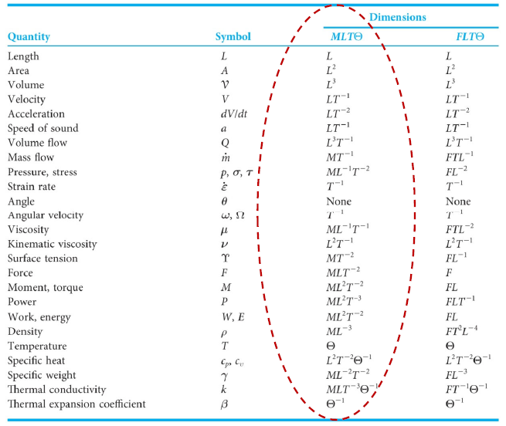
Mass Flow Rate | 1 | 0 | 0 | 1 | -1
Length | -2 | 1 | 1 | -3 | 0
Velocity | -1 | 0 | -1 | 0 | 1
density | -1 | 0 | 0 | 0 | 0

Pi 2 (repeating variables with) | Dynamic Viscosity | 1 | -1 | -1 | 0
 | Power | a2 | b2 | c2 | rhs(constant)
Dynamic Viscosity | 1 | 0 | 0 | 1 | -1
Length | -1 | 1 | 1 | -3 | 1
Velocity | -1 | 0 | -1 | 0 | 1
density | -1 | 0 | 0 | 0 | 0

Pi 3 (repeating variables with) | Dynamic Viscosity | 1 | -1 | -1 | 0
 | Power | a3 | b3 | c2 | rhs(constant)
Dynamic Viscosity | 1 | 0 | 0 | 1 | -1
Length | -1 | 1 | 1 | -3 | 1
Velocity | -1 | 0 | -1 | 0 | 1
density | -1 | 0 | 0 | 0 | 0

Pi 4 (repeating variables with) | Frequency | 0 | 0 | -1 | 0
 | Power | a5 | b5 | c5 | rhs(constant)
Frequency | 1 | 0 | 0 | 1 | 0
Length | 1 | 1 | 1 | -3 | 0
Velocity | -1 | 0 | -1 | 0 | 1
density | 0 | 0 | 0 | 0 | 0

Pi 5 (repeating variables with) | Dynamic Viscosity | 1 | -1 | -1 | 0
 | Power | a5 | b5 | c5 | rhs(constant)
Dynamic Viscosity | 1 | 0 | 0 | 1 | -1
Length | -1 | 1 | 1 | -3 | 1
Velocity | -1 | 0 | -1 | 0 | 1
density | -1 | 0 | 0 | 0 | 0

